Section 2.3 NLP (c)
INPUTS |  | STOCK | RIO.AX | CSL.AX | WBC.AX | CPU.AX | QAN.AX | BHP.AX | COH.AX | CBA.AX | TNE.AX | TCL.AX
DECISION VARIABLES |  | MEAN | 0.00866 | 0.00407 | 0.00643 | 0.01864 | 0.00877 | 0.00891 | 0.01382 | 0.01164 | 0.01982 | 0.00250

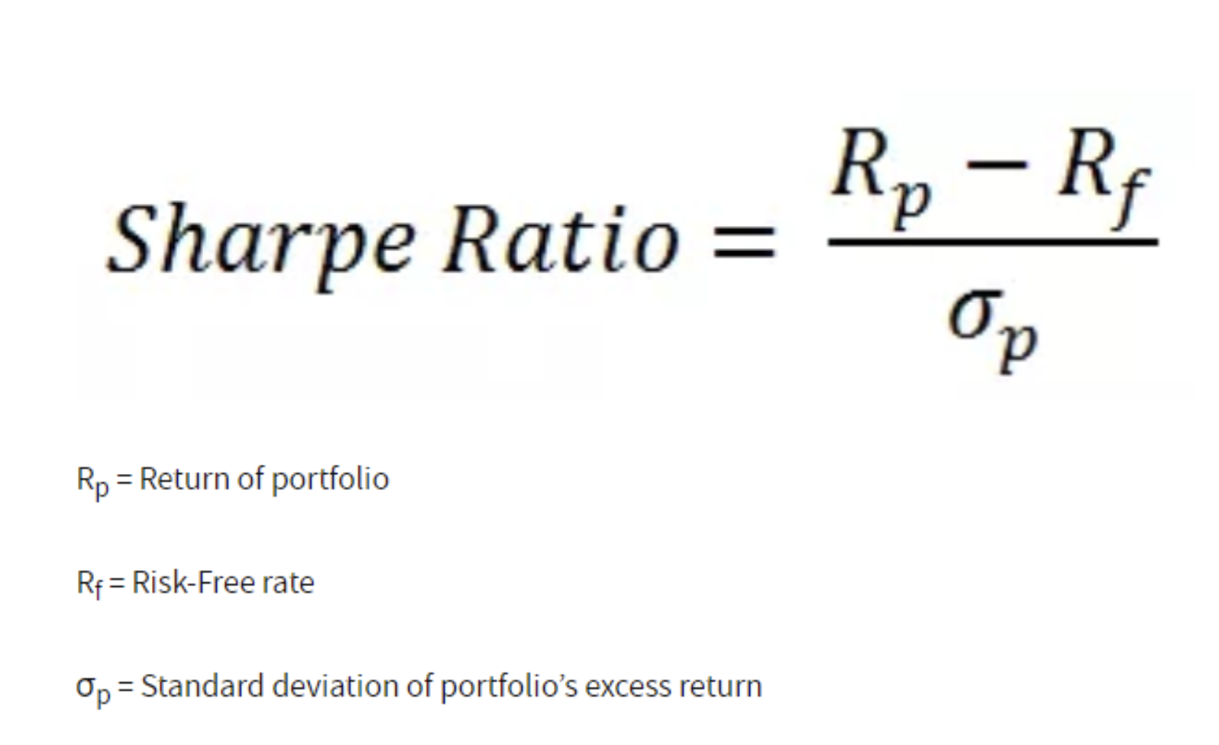
 |  | Cov | RIO.AX | CSL.AX | WBC.AX | CPU.AX | QAN.AX | BHP.AX | COH.AX | CBA.AX | TNE.AX | TCL.AX
 |  | RIO.AX | 0.00711 | -0.00010 | 0.00137 | -0.00116 | 0.00010 | 0.00635 | 0.00155 | 0.00086 | -0.00081 | 0.00059
 |  | CSL.AX | -0.00010 | 0.00266 | 0.00056 | 0.00019 | 0.00090 | 0.00026 | 0.00180 | 0.00120 | 0.00167 | 0.00131
 |  | WBC.AX | 0.00137 | 0.00056 | 0.00495 | 0.00025 | 0.00320 | 0.00068 | 0.00241 | 0.00338 | 0.00109 | 0.00101
 |  | CPU.AX | -0.00116 | 0.00019 | 0.00025 | 0.00442 | 0.00000 | -0.00085 | 0.00009 | 0.00086 | 0.00150 | 0.00042
 |  | QAN.AX | 0.00010 | 0.00090 | 0.00320 | 0.00000 | 0.00558 | -0.00046 | 0.00163 | 0.00194 | 0.00182 | 0.00149
 |  | BHP.AX | 0.00635 | 0.00026 | 0.00068 | -0.00085 | -0.00046 | 0.00684 | 0.00107 | 0.00097 | -0.00026 | 0.00070
 |  | COH.AX | 0.00155 | 0.00180 | 0.00241 | 0.00009 | 0.00163 | 0.00107 | 0.00450 | 0.00182 | 0.00128 | 0.00162
 |  | CBA.AX | 0.00086 | 0.00120 | 0.00338 | 0.00086 | 0.00194 | 0.00097 | 0.00182 | 0.00429 | 0.00274 | 0.00154
 |  | TNE.AX | -0.00081 | 0.00167 | 0.00109 | 0.00150 | 0.00182 | -0.00026 | 0.00128 | 0.00274 | 0.00634 | 0.00221
 |  | TCL.AX | 0.00059 | 0.00131 | 0.00101 | 0.00042 | 0.00149 | 0.00070 | 0.00162 | 0.00154 | 0.00221 | 0.00246

Investment weights |  |  | RIO.AX | CSL.AX | WBC.AX | CPU.AX | QAN.AX | BHP.AX | COH.AX | CBA.AX | TNE.AX | TCL.AX
 |  |  | 100.00% | 0.00% | 0.00% | 0.00% | 0.00% | 0.00% | 0.00% | 0.00% | 0.00% | 0.00%

 |  |  | 100.00% | 0.00% | 0.00% | 0.00% | 0.00% | 0.00% | 0.00% | 0.00% | 0.00% | 0.00%
 |  | Cov | RIO.AX | CSL.AX | WBC.AX | CPU.AX | QAN.AX | BHP.AX | COH.AX | CBA.AX | TNE.AX | TCL.AX
 | 100.00% | RIO.AX | 0.00711 | -0.00010 | 0.00137 | -0.00116 | 0.00010 | 0.00635 | 0.00155 | 0.00086 | -0.00081 | 0.00059
 | 0.00% | CSL.AX | -0.00010 | 0.00266 | 0.00056 | 0.00019 | 0.00090 | 0.00026 | 0.00180 | 0.00120 | 0.00167 | 0.00131
 | 0.00% | WBC.AX | 0.00137 | 0.00056 | 0.00495 | 0.00025 | 0.00320 | 0.00068 | 0.00241 | 0.00338 | 0.00109 | 0.00101
 | 0.00% | CPU.AX | -0.00116 | 0.00019 | 0.00025 | 0.00442 | 0.00000 | -0.00085 | 0.00009 | 0.00086 | 0.00150 | 0.00042
 | 0.00% | QAN.AX | 0.00010 | 0.00090 | 0.00320 | 0.00000 | 0.00558 | -0.00046 | 0.00163 | 0.00194 | 0.00182 | 0.00149
 | 0.00% | BHP.AX | 0.00635 | 0.00026 | 0.00068 | -0.00085 | -0.00046 | 0.00684 | 0.00107 | 0.00097 | -0.00026 | 0.00070
 | 0.00% | COH.AX | 0.00155 | 0.00180 | 0.00241 | 0.00009 | 0.00163 | 0.00107 | 0.00450 | 0.00182 | 0.00128 | 0.00162
 | 0.00% | CBA.AX | 0.00086 | 0.00120 | 0.00338 | 0.00086 | 0.00194 | 0.00097 | 0.00182 | 0.00429 | 0.00274 | 0.00154
 | 0.00% | TNE.AX | -0.00081 | 0.00167 | 0.00109 | 0.00150 | 0.00182 | -0.00026 | 0.00128 | 0.00274 | 0.00634 | 0.00221
 | 0.00% | TCL.AX | 0.00059 | 0.00131 | 0.00101 | 0.00042 | 0.00149 | 0.00070 | 0.00162 | 0.00154 | 0.00221 | 0.00246

 |  | Portfolio variance terms | RIO.AX | CSL.AX | WBC.AX | CPU.AX | QAN.AX | BHP.AX | COH.AX | CBA.AX | TNE.AX | TCL.AX
 |  | RIO.AX | 0.0071 | 0.0000 | 0.0000 | 0.0000 | 0.0000 | 0.0000 | 0.0000 | 0.0000 | 0.0000 | 0.0000
 |  | CSL.AX | 0.0000 | 0.0000 | 0.0000 | 0.0000 | 0.0000 | 0.0000 | 0.0000 | 0.0000 | 0.0000 | 0.0000
 |  | WBC.AX | 0.0000 | 0.0000 | 0.0000 | 0.0000 | 0.0000 | 0.0000 | 0.0000 | 0.0000 | 0.0000 | 0.0000
 |  | CPU.AX | 0.0000 | 0.0000 | 0.0000 | 0.0000 | 0.0000 | 0.0000 | 0.0000 | 0.0000 | 0.0000 | 0.0000
 |  | QAN.AX | 0.0000 | 0.0000 | 0.0000 | 0.0000 | 0.0000 | 0.0000 | 0.0000 | 0.0000 | 0.0000 | 0.0000
 |  | BHP.AX | 0.0000 | 0.0000 | 0.0000 | 0.0000 | 0.0000 | 0.0000 | 0.0000 | 0.0000 | 0.0000 | 0.0000
 |  | COH.AX | 0.0000 | 0.0000 | 0.0000 | 0.0000 | 0.0000 | 0.0000 | 0.0000 | 0.0000 | 0.0000 | 0.0000
 |  | CBA.AX | 0.0000 | 0.0000 | 0.0000 | 0.0000 | 0.0000 | 0.0000 | 0.0000 | 0.0000 | 0.0000 | 0.0000
 |  | TNE.AX | 0.0000 | 0.0000 | 0.0000 | 0.0000 | 0.0000 | 0.0000 | 0.0000 | 0.0000 | 0.0000 | 0.0000
 |  | TCL.AX | 0.0000 | 0.0000 | 0.0000 | 0.0000 | 0.0000 | 0.0000 | 0.0000 | 0.0000 | 0.0000 | 0.0000

OBJECTIVE FUNCTION

Standard deviation of portfolio return |  |  | 8.43%

Average portfolio return |  |  | 0.87%

Sharpe Ratio |  |  | -0.1346

CONSTRIANTS

LHS |  | RHS

100% | = | 100.00% |  | (Portfolio = 100% of total investment)

